Contents
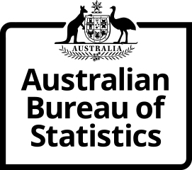
Time Series Workbook

6224.0.55.001 Labour Force Status of Families
Table 6. Families by number of dependent children
Released at 11:30 am (Canberra time) Tue 12 Oct 2021

Contents
Tables
6.1 | Table 6.1 - June 2021
6.2 | Table 6.2 - Time Series IDs
Index | Time Series Index

More information available from the ABS website

Labour Force Status of Families, Jun 2021
Summary
Methodology

I N Q U I R I E S
For further information about these and related statistics visit www.abs.gov.au/about/contact-us
or contact the Labour Surveys Branch at labour.statistics@abs.gov.au.

© Commonwealth of Australia 2021

